INPUT
(1)
Shipper / Exporter: |  |  | No. & Date | No. & Date of Invoice
VIET NAM SMART WOOD JSC |  |  | No | (2)
NO. 16, LANE 25, GROUP 7, VAN PHUC WARD, HA DONG DISTRICT, HANOI, VIETNAM |  |  | Date | (3)
REPRESENTED BY: MR. VU THANH TUNG – CEO. |  |  |  |  |  | 2F, Yooncheon Building,14 Of Teheran-Ro, 86-Gil, Gangnam-Gu, Seoul, Korea
TEL: +84-987879857
Consignee:
TO THE ORDER OF INDUSTRIAL BANK OF KOREA

Notify party
(4) |  |  | Contract No:
(5) |  |  | (8)
REPRESENTED BY: (6) |  |  | Terms of Payment:
TEL: (7) |  |  | (9)
 |  |  | Term of Delivery:
 |  |  | (10)
Port of loading |  | Final destination | INCOTERM 2020
(11) |  | (12)
Vessel |  | Sailing on or about | Remarks
(13) |  | (14) | (15)
NO. | Description of Goods |  | Quantity | Unit Price | Amount
 |  |  | (MT) | (USD/MT ) | (USD)

1 | COMMODITY: (16) |  | (21) | (20) | 420.00
 | ORIGIN: (17)
 | HS CODE: (18)
 | SHIPMENT TERM: (19)
 | Net (MT) | (21)
 | Gross (MT) | (22)
 | Number of Containers | (23)

 | LC NO | (24)
 | LC DATE | (25)

 |  |  | GRAND TOTAL | (USD) | 420.00
SAY: | (26)

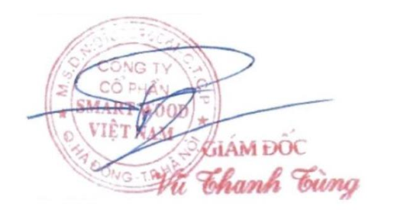
 |  | VIET NAM SMART WOOD JSC

 |  |  | Authorized Signature(s)

INVOICE
SIGNED COMMERCIAL INVOICE
Shipper / Exporter: |  |  |  | No. & Date | No. & Date of Invoice
VIET NAM SMART WOOD JSC |  |  |  | No | (2)
NO. 16, LANE 25, GROUP 7, VAN PHUC WARD, HA DONG DISTRICT, HANOI, VIETNAM |  |  |  | Date | (3) | (dd/mm/yyyy)
REPRESENTED BY: MR. VU THANH TUNG – CEO.
TEL: +84-987879857
Consignee:
TO THE ORDER OF INDUSTRIAL BANK OF KOREA

To Applicant:
 |  |  |  | Contract No:
(4) |  |  |  | (8)
(5) |  |  |  | Terms of Payment:
REPRESENTED BY: (6) |  |  |  | (9)
TEL: (7) |  |  |  | Terms of Price:
 |  |  |  | (10)
Port of loading |  | Port of Discharge |  | INCOTERM 2020
(11) |  | (12)
Vessel |  | Shipment Date |  | Remarks
(13) |  | (14)
NO. | Description of Goods |  |  | Quantity | Unit Price | Amount
 |  |  |  | (MT) | (USD/MT ) | (USD)

1 | COMMODITY | WOOD PELLET |  | (21) | (20) | 420.00
 | COUNTRY OF ORIGIN | VIETNAM
 | HS CODE | 44013100
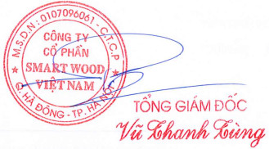
 | LC NO | (24)
 | LC DATE | (25)

 |  |  | GRAND TOTAL |  | (USD) | 420.00
SAY: | (26)

 |  | VIET NAM SMART WOOD JSC

 |  |  |  | Authorized Signature(s)

